Markov e MTTF
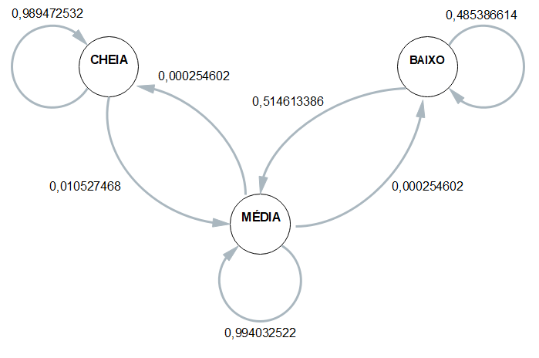
 | ESP1 | ESP2 | ESP3 | ESP4 | MÉDIA
CC | 0.9898989899 | 0.98888888889 | 0.98795180723 | 0.99115044248 | 0.98947253212
CM | 0.010101010101 | 0.011111111111 | 0.012048192771 | 0.0088495575221 | 0.010527467876
CB | 0 | 0 | 0 | 0 | 0
 | 1 | 1 | 1 | 1 | 1
MC | 0.0048830634798 | 0.0062924742009 | 0.0093670886076 | 0.0023088763468 | 0.0057128756588
MM | 0.99485993318 | 0.99345582683 | 0.99037974684 | 0.99743458184 | 0.99403252217
MB | 0.00025700334104 | 0.00025169896803 | 0.00025316455696 | 0.00025654181632 | 0.00025460217059
 | 1 | 1 | 1 | 1 | 1
BC | 0 | 0 | 0 | 0 | 0
BM | 0.47379912664 | 0.45081967213 | 0.49175824176 | 0.64207650273 | 0.51461338581
BB | 0.52620087336 | 0.54918032787 | 0.50824175824 | 0.35792349727 | 0.48538661419

 | Esp1 | Esp2 | Esp3 | Esp4
Hora Inicial | 1900-01-01 08:57:54 | 1900-01-01 09:02:36 | 1900-01-01 09:06:03 | 1900-01-01 09:09:08 |  | 1900-01-01 09:03:55
Hora Limite 2,8 | 1900-01-01 14:45:18 | 1900-01-01 14:56:21 | 1900-01-01 14:57:11 | 1900-01-01 14:58:21 |  | 1900-01-01 14:54:18
Hora final | 1900-01-01 15:25:11 | 1900-01-01 15:28:14 | 1900-01-01 15:28:53 | 1900-01-01 15:30:14 | MTTF | 1900-01-01 15:28:08
total de horas até 2,8 | 5:47:24 | 5:53:45 | 5:51:08 | 5:49:13 | 5:50:23 | 5:50:23

